FLUID REFERENCE TABLES
Reference | Munson, Bruce R., et al. Fundamentals of Fluid Mechanics. 6th ed., John Wiley & Sons, 2009.

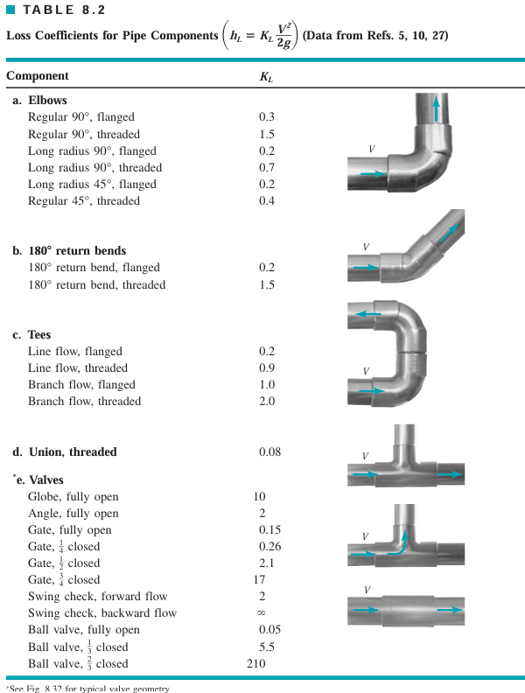
 | MAJOR LOSSES |  |  |  | MINOR LOSSES
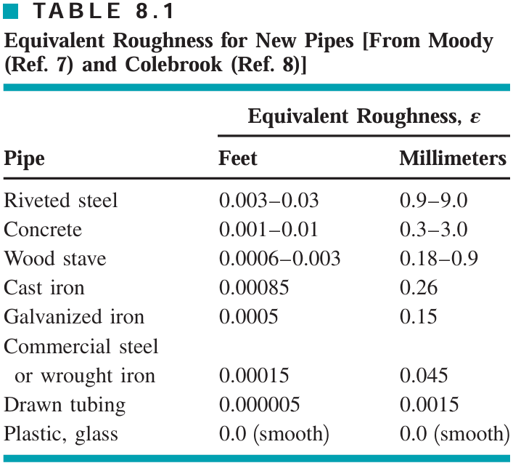
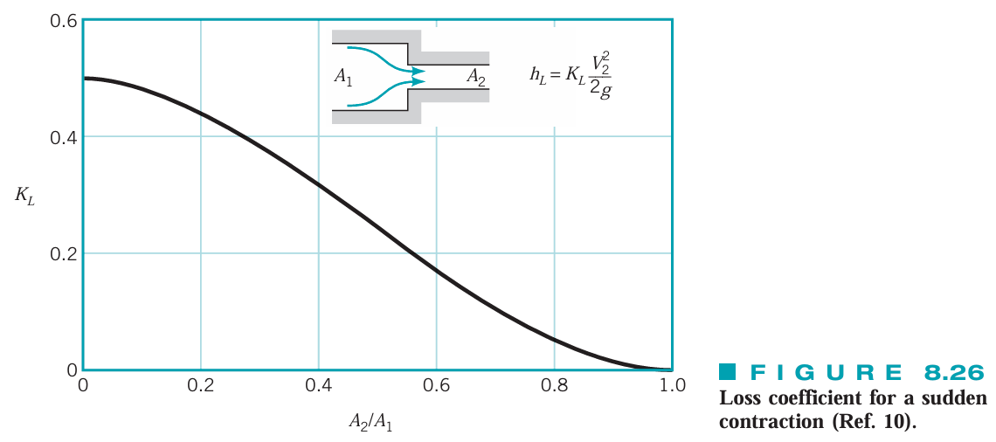
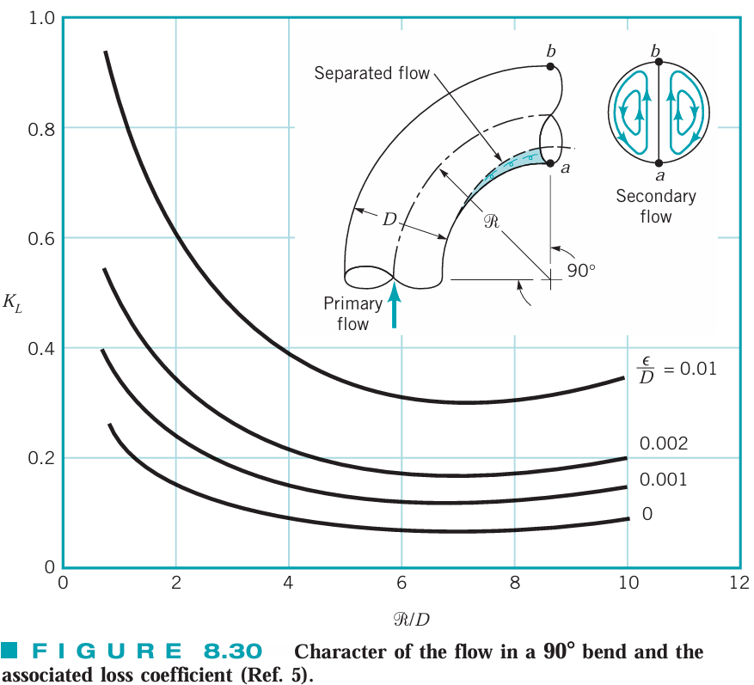
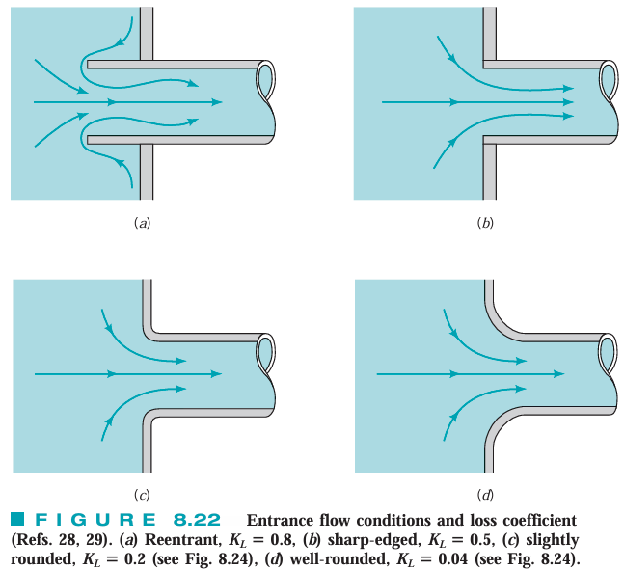
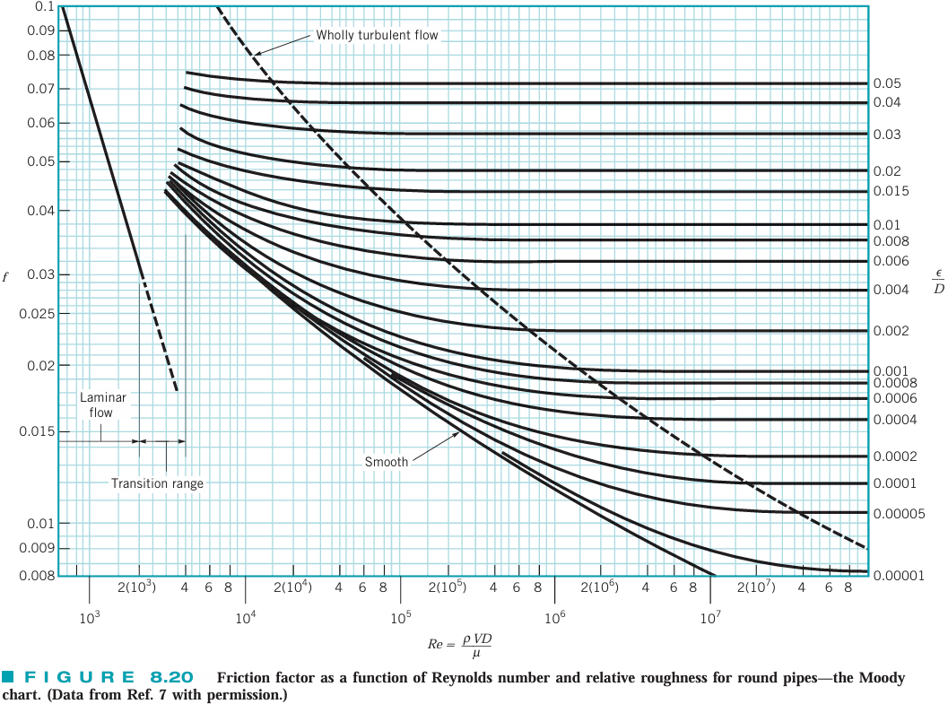
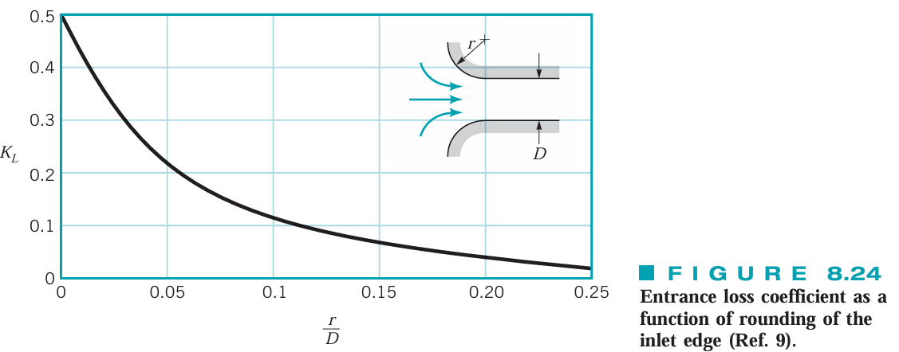

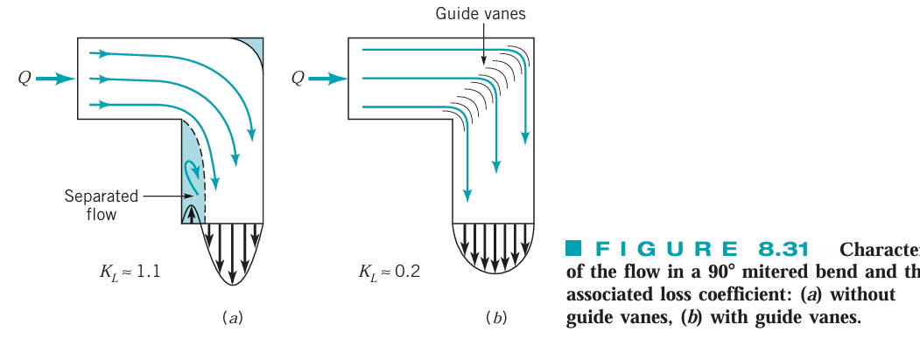
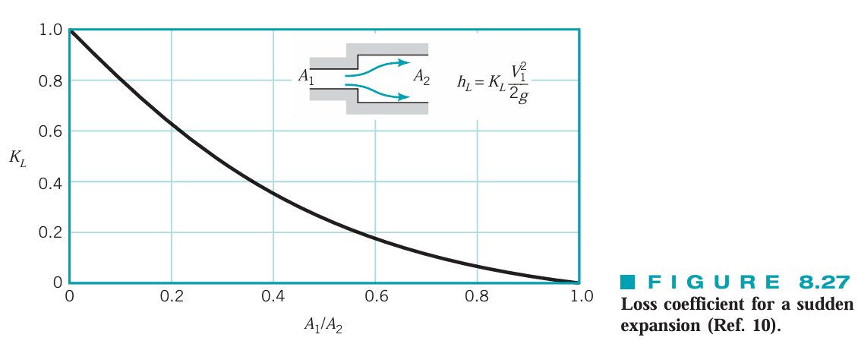

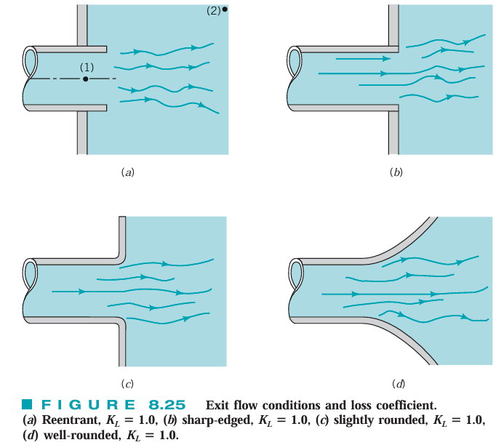
 |  |  |  | MOODY'S DIAGRAM VALS DERIVED FROM COLEBROOK EQ:
 |  |  |  | *FOR PLASTIC PIPE, ε/D = 0

 |  |  |  | SOLVABLE EQUIVALENT FOR SMOOTH PIPES FROM BLASIUS EQ:

 | EQUATIONS (Darcy–Weisbach)
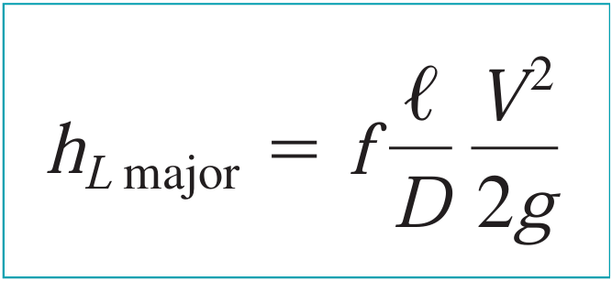
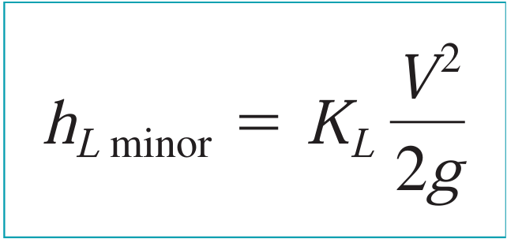
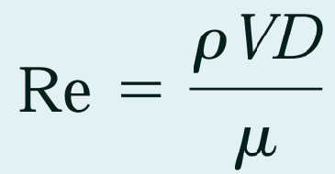
 |  |  |  |  | Reynolds number | LAMINAR VS TURBULENT REFERENCE TABLE
 |  |  |  |  |  |  | Re Range
 |  |  |  |  |  | Laminar | 0-2000
 |  |  |  |  |  | Transition | 2000-4000
 |  |  |  |  |  | Turbulent | 4000+

 |  |  |  |  | friction factor for laminar pipe flow

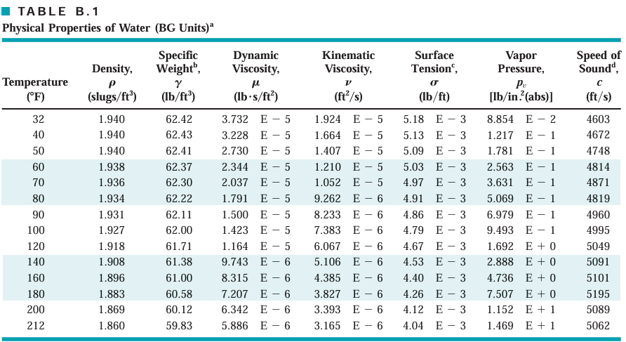

 | OTHER LOSSES

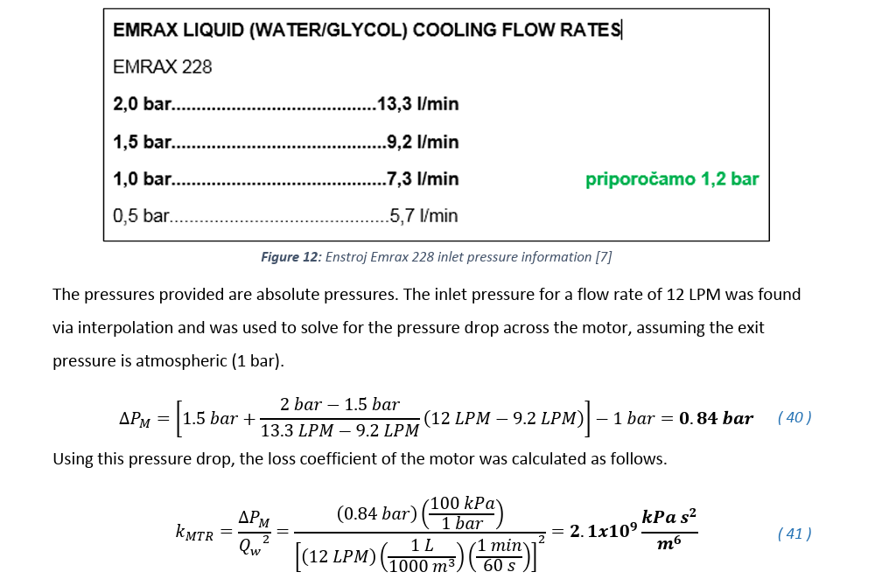
 | EMRAX 228 LOSS COEFFICIENT | CONVERSION
 |  | Value
 |  | k_MTR (metric) (kPa s^2 /m^6) | 2100000000
 |  | k_MTR (imperial) (lb·s²/ft⁸) | 35168333.139

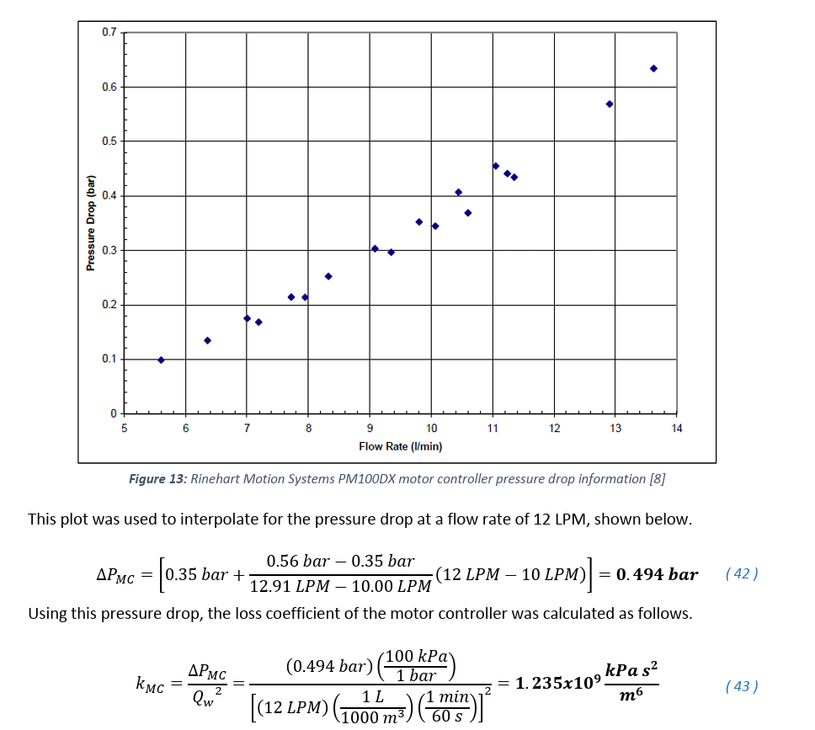
 | PM100DX INVERTER LOSS COEFFICIENT | CONVERSION
 |  | Value
 |  | k_MC (metric) (kPa s^2 /m^6) | 1235000000
 |  | k_MC (imperial) (lb·s²/ft⁸) | 20682329.251

 |  |  | Ratio | Factor
 |  | * 1 kPa = 20.8854 lb/ft² | [lb/ft^2]/[kPa] | 20.8854
 |  | * 1 m = 3.28084 ft | [m^6]/ [ft^6] | 0.00080184364696

 | h_l = (k*Q^2)/(ρg)

HEAT TRANSFER REFERENCE TABLES
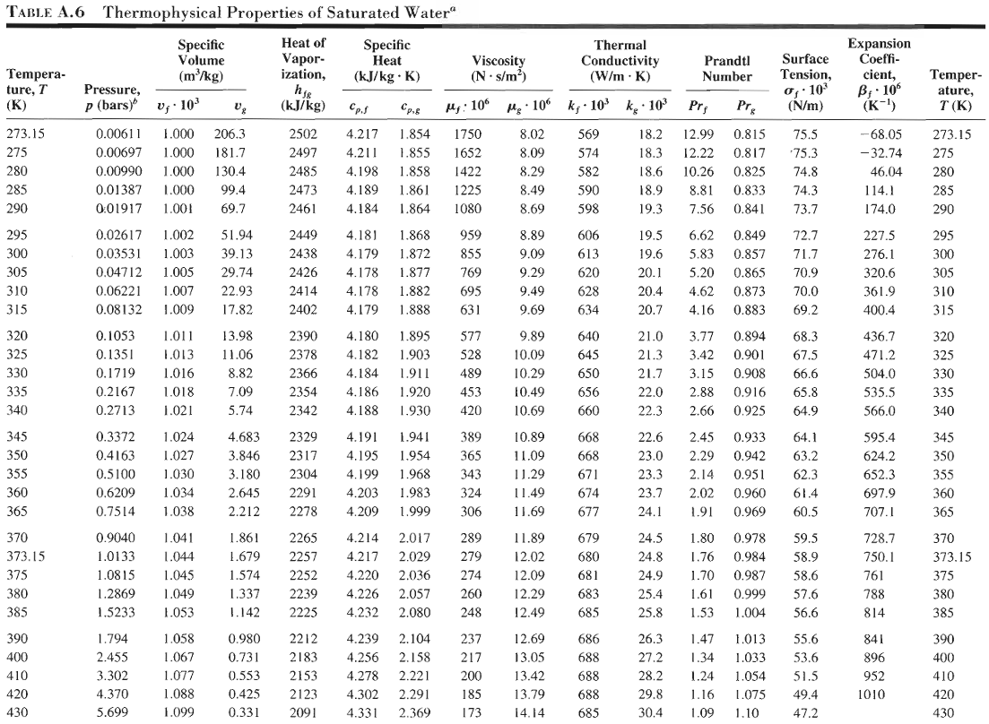
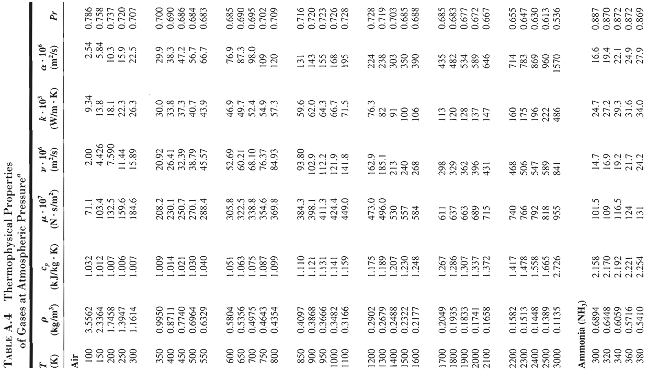
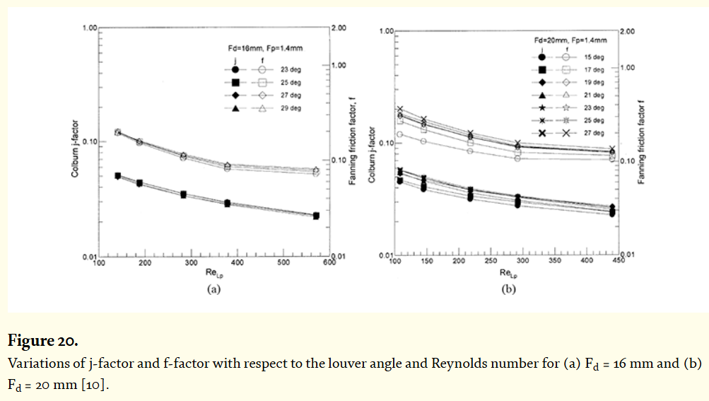
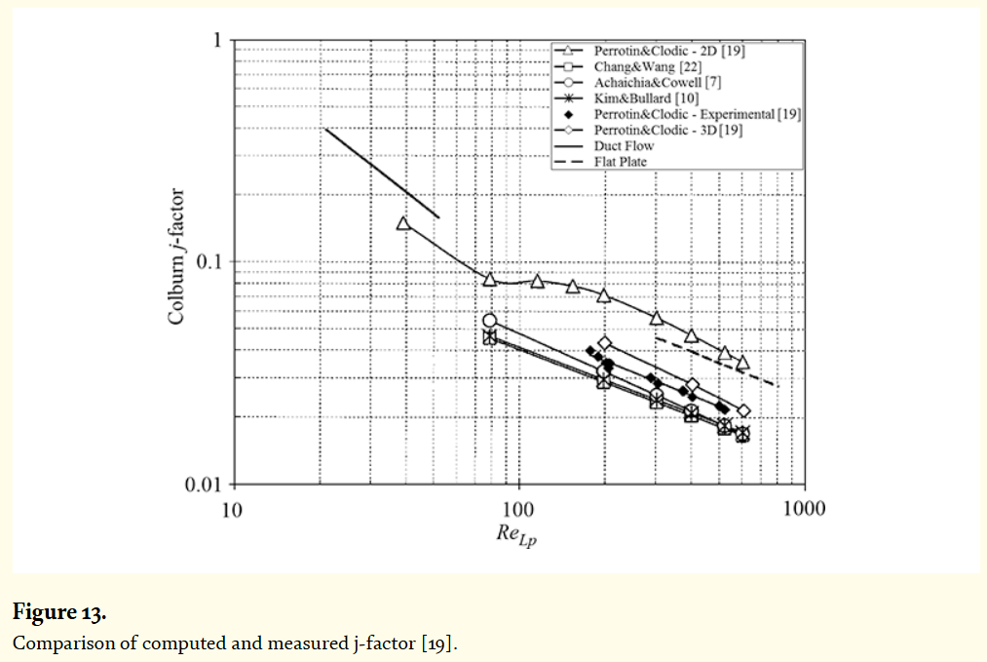
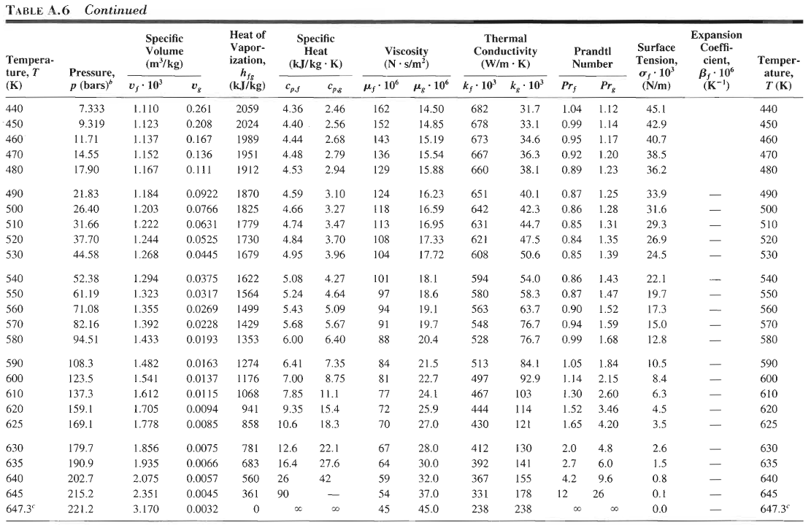
REFERENCE | Bergman, Theodore L., et al. Fundamentals of Heat and Mass Transfer. 7th ed., John Wiley & Sons, 2011. | REFERENCE | https://www.intechopen.com/chapters/53343

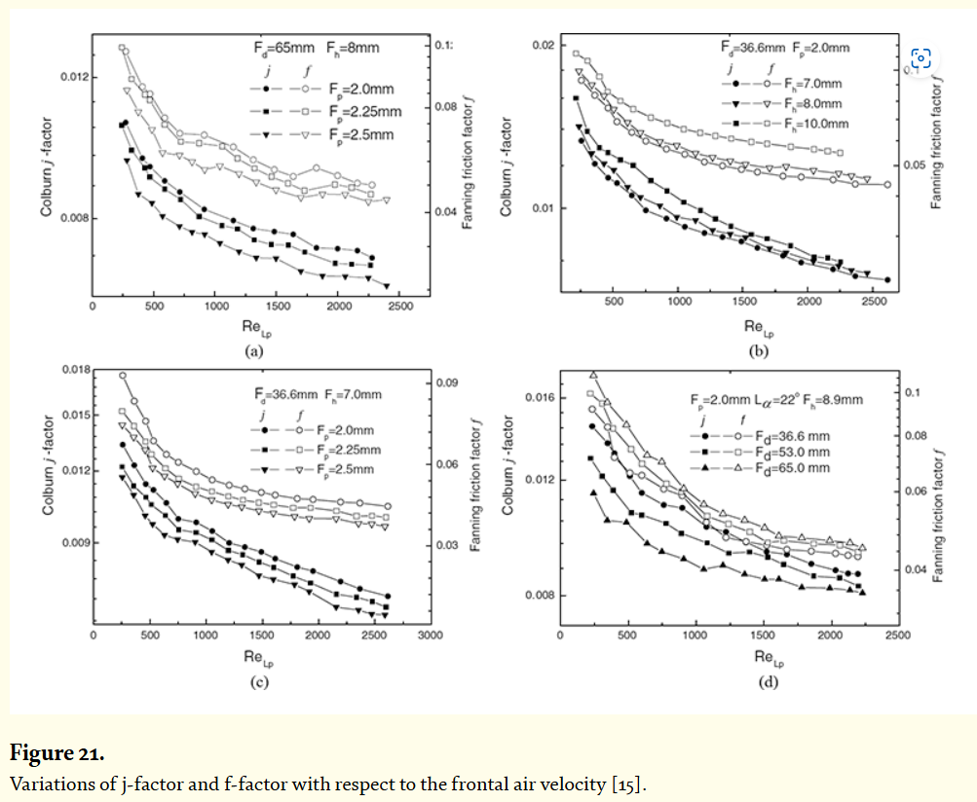
 | NTU RELATIONS | COLBURN J FACTOR / CONVECTION COEFFICIENT
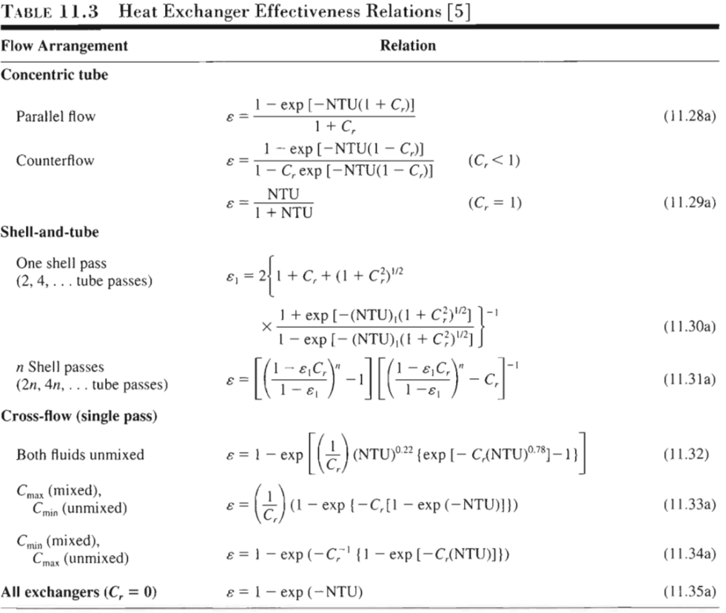
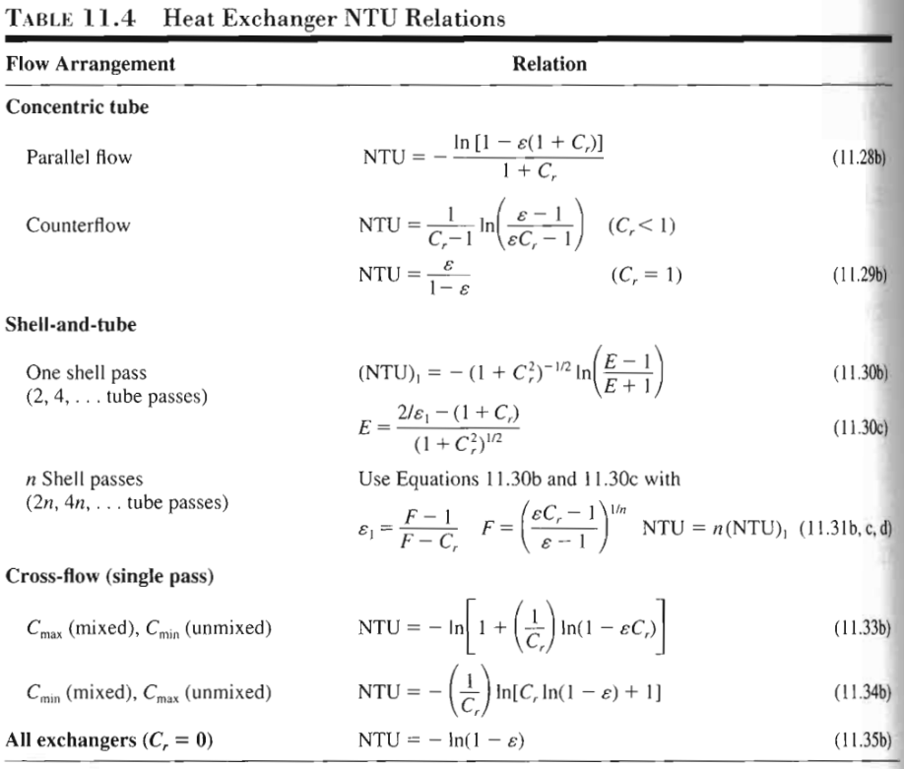
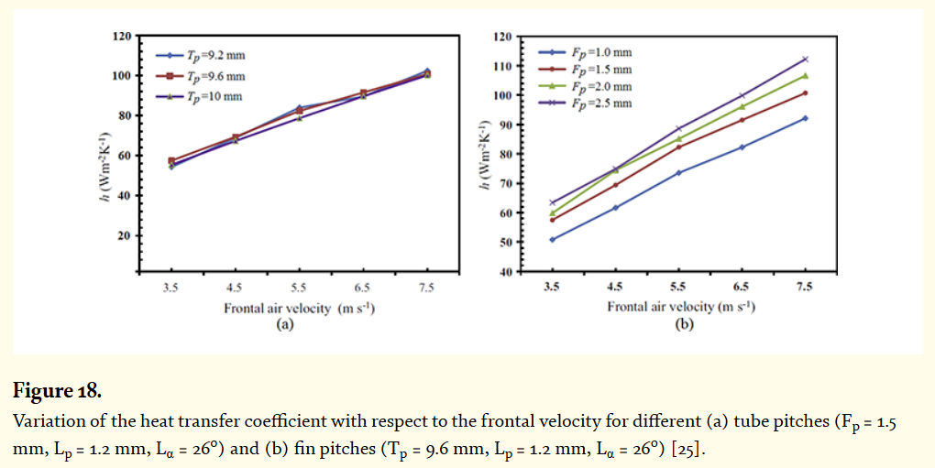

 | HEAT TRANSFER PROPERTIES OF WATER

HEAT TRANSFER ASSUMED CONSTANTS
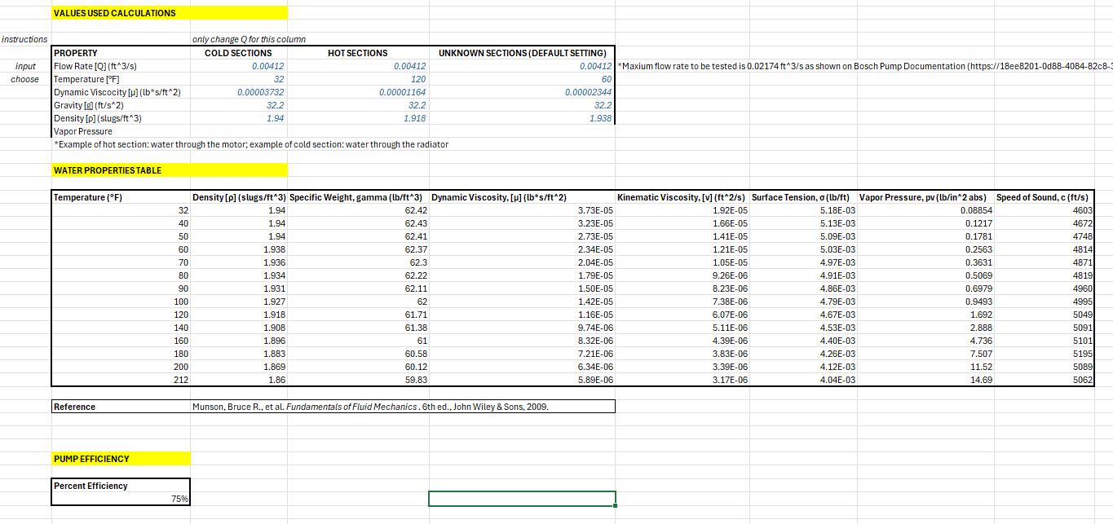
 | Thermal properties saturated water cases
MUST BE FORMATTED TO LOOK LIKE THIS, MUST HAVE HOT/COLD/UNKNOWN SECTIONS, THE FLOW RATE SHOULD BE AN INPUT WHICH IS LINKED TO FLUID ASSUMED CONSTANTS, SAME THING WITH TEMPERATURE

